Resources
Type | Name | Values | Prefix | Postfix | Usage Count | User Addable | Template Name
checklist | Balcony Build
section | Casette Assembly
checkpoint | All parts free from defects and damage
Button |  | Pass, Fail, N/A
textbox |  |  |  |  |  | Add Comment
checkpoint | Frame squareness
Button |  | Pass, Fail, N/A
label | Measure Diagonals and compare
label | Diagonals to match +/- 2mm
textbox |  |  |  |  |  | Add Comment
checkpoint | Verify all parts and fixings have been fitted as per drawings and schedules
Button |  | Pass, Fail, N/A
textbox |  |  |  |  |  | Add Comment
checkpoint | Bolt Tightness
Button |  | Pass, Fail, N/A
label | Frequency: Every Bolt Nut Washer
label | Torque Wrench: M8 Bolts to 22Nm (yellow marker)
label | M10 to 44Nm (blue Marker) M12 to 77Nm (green marker)
checkpoint | Preforated sheets fitted where applicable
Button |  | Pass, Fail, N/A
label | Site fitted sheets included in pack
label | Correct for Left or Right Side Unit
textbox |  |  |  |  |  | Add Comment
section | Soffit Check
checkpoint | Soffits Level / Joints Siliconed
Button |  | Pass, Fail, N/A
textbox |  |  |  |  |  | Add Comment
checkpoint | Rivets / Screws: Correct Sizes and Integity
Button |  | Pass, Fail, N/A
label | Visual Check: all mounting points
label | Frequency: Every Rivet / Screw |  |  |  |  |  |  | Comment : I'd like the result to look like this with a count field for Checkpoint completeion
textbox |  |  |  |  |  | Add Comment
checkpoint | Joints Tight
Button |  | Pass, Fail, N/A

label | All soffit panels pulled tight to each other
checkpoint | Gutter Section installed
Button |  | Pass, Fail, N/A
label | Visual Check: all mounting points used- siliconed between gutter and soffit
textbox |  |  |  |  |  | Add Comment
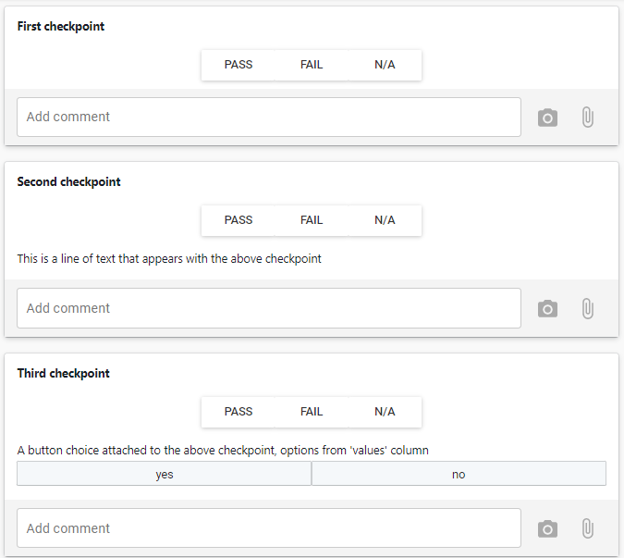
section | Balustrade (including Fascia and Screen) Check
checkpoint | All parts fitted
Button |  | Pass, Fail, N/A
note | As per drawings and schedules
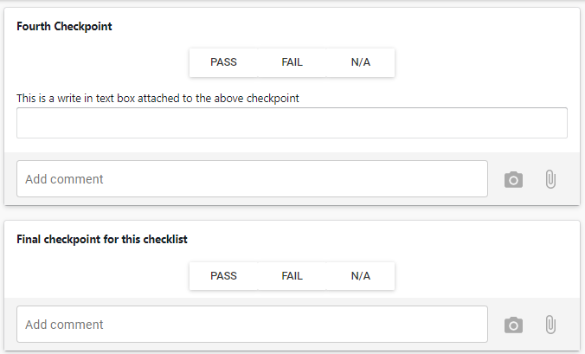
note | Visual Check
note | Frequency: Every Balustrade
checkpoint | Surface finish
Button |  | Pass, Fail, N/A
note | No imperfections visible beyond 2m
note | Visual Check
note | Frequency: Every Balustrade
checkpoint | Fins tights
Button |  | Pass, Fail, N/A
note | Run hands along Fins
note | Frequency: Every Fin
checkpoint | Fascia secure
Button |  | Pass, Fail, N/A
note | All fixings present and well secured
note | Visual Check
note | Frequency: Every Fascia
checkpoint | Handrail secure
Button |  | Pass, Fail, N/A
note | All fixings present and well secured
note | Visual Check
note | Frequency: Every Handrail
section | Decking Check
checkpoint | Connection points accessible
note | All connection points (clamps, sprinkler, vents, etc.) accessible via access panels
note | Visual Check
note | Frequency: Every Balcony
Button |  | Pass, Fail, N/A
checkpoint | Decking Screws Teightened
Button |  | Pass, Fail, N/A
note | All decking screws tightened properly
note | Phycial Check
note | Frequency: Every Screw
checkpoint | Decking Defects
Button |  | Pass, Fail, N/A
note | No Defects in the Stabiwood
note | Visual Check
note | Frequency: Every Board
section | Completion Check
checkpoint | Fascia protection applied
Button |  | Pass, Fail, N/A
note | All fasciae are protected by stretchwrap
note | Visual Check
note | Frequency: Every Balcony
checkpoint | Handrail/capping protection applied
Button |  | Pass, Fail, N/A
note | All handrail/capping protected by low-tack tape
note | Visual Check
note | Frequency: Every Balcony
section | Completeion Check
checkpoint | Site pack compiled
Button |  | Pass, Fail, N/A
label | Correct for Upper or Lower Type
label | Correct for Left or Right Side Unit
textbox |  |  |  |  |  | Add Comment
Final checkpoint | Balcony Labeled
Button |  | Pass, Fail, N/A
label | Attache and Sign QA label
label | Label states Type, Side and Upper / Lower designation
textbox |  |  |  |  |  | Add Comment

